Bug report
BugReport ID | Test Scenario | Description | Pre-requisites | Test Steps | Test Data | Expected Result(s) | Actual Result(s) | Severity | Priority | Screenshot
INVENTIQ - BUG_001 | TS_003 (Salesperson Dashboard functionality) | Non-existence of date-time picker | 1. Open the application (http://localhost:8000) 2.login to salesperson account | 1. Click on the "from" date/time picker 2. Choose desired date 3. Cllick on the "to" date/time picker 4. Choose date >= date of "from" date/time picker 5. Click on search/filter button | Not Applicable | sales and revenue made during the selected dates | date time picker does not exist | Major | P2 | 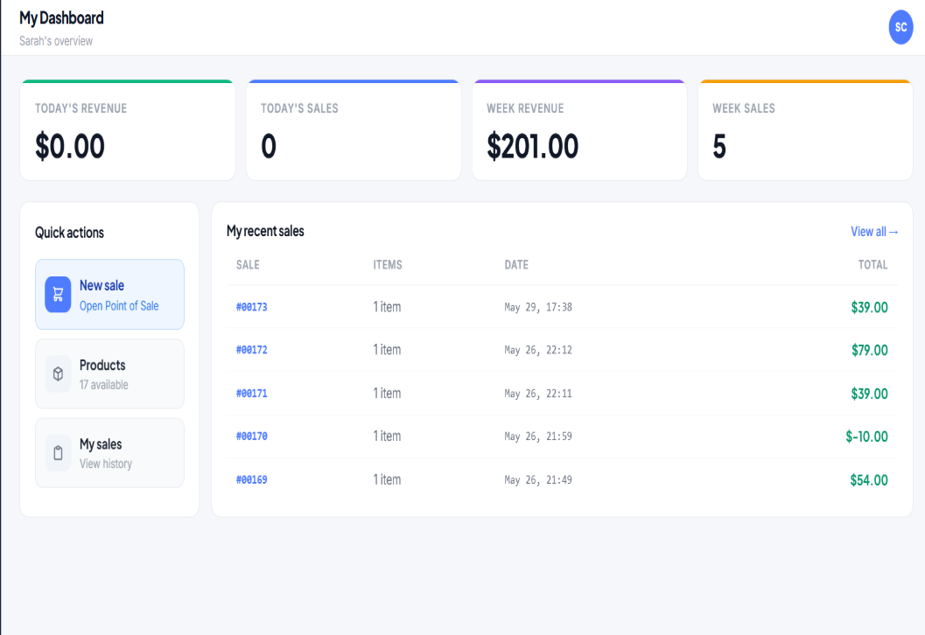
INVENTIQ - BUG_002 | TS_002 (Logout functionality) | log out button is not easily idenfied | 1. Open the application (http://localhost:8000) 2.login to salesperson account | Check that logout button is easily identified | Not Applicable | Log out button is easily identified without having to strain eyes | logout button is not easily identified, small sized almost hidden with no clear indication | Minor | P3
INVENTIQ - BUG_003 | TS_002 (Logout functionality) | There is no,modal or aler confrimaion for loging out | 1. Open the application (http://localhost:8000) 2.login to salesperson account | 1. Click on logout button | Not Applicable | A modal of alert for logout confirmation should appear | There is no modal or confirmation alert | Minor | P2
INVENTIQ - BUG_004 | TS_002 (Logout functionality) | user get redirected to login page directly | 1. Open the application (http://localhost:8000) 2.login to salesperson account | 1. Click on logout button 2. Click on "Yes" or "Ok" on the confirmation alert | Not Applicable | 1. A modal of alert for logout confirmation should appear 2.user is redirected to login page | user smiply gets redireted to login page without first confirming | Minor | P0
INVENTIQ - BUG_005 | TS_002 (Logout functionality) | Validate that user gets redirected to login page trying access protected pages directly after logout | 1. Open the application (http://localhost:8000) 2.login to salesperson account | 1. Navigate to any page and copy url 2. Click on logout button 2. Click on "Yes" or "Ok" on the confirmation alert 3. Paste the url copied into the search bar and search | Not Applicable | 1. A modal of alert for logout confirmation should appear 2.user is redirected to login page 3. user should be redirected to login page | user smiply gets redirected to login page without first confirming | Minor | P1
INVENTIQ - BUG_006 | TS_005 (Products Functionality) | Validate the ui of the product display section | 1. Open the application (http://localhost:8000) 2.login to salesperson account | 1.Click on "Products" in the in the navbar 2.Check ui of product display section | Not Applicable | ui should be good with good margins, color code, etc | product display page has no top margin | Minor | P3
INVENTIQ - BUG_007 | TS_005 (Products Functionality) | Validate that all status in the status filter exist(in stock, low stock, out of stock | 1. Open the application (http://localhost:8000) 2.login to salesperson account | 1.Click on "Products" in the in the navbar 2.Click on the status drop down menu 3. Check that all types of status exist | Not Applicable | stauts should have in stock, low stock and out of stock | all status, low stock, out of stock exist. In stock doesn’t exist | Major | P1 | 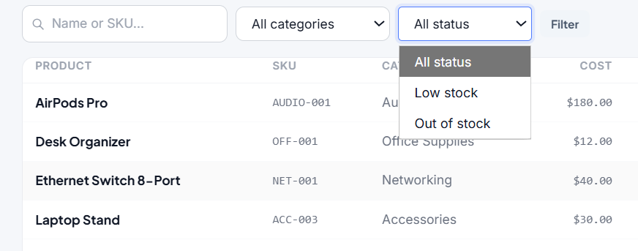
INVENTIQ - BUG_008 | TS_005 (Products Functionality) | validate filtering by name and matching status | 1. Open the application (http://localhost:8000) 2.login to salesperson account | 1.Click on "Products" in the in the navbar 2. Click on search bar and type name of product 2.Click on the category drop down menu 3. Select the various statuses to filter 4. Click on the filter button | 1.name: webcam 4k status: out of stock 2. name: whiteboard marker status: low stock 3. name: desk organizer status: in stock | products matching test data should displayed in the product display section | there is no in stock status | Major | P1 | INVENTIQ-BUG_008
INVENTIQ - BUG_009 | TS_005 (Products Functionality) | in stock status filter does not exist | 1. Open the application (http://localhost:8000) 2.login to salesperson account | 1.Click on "Products" in the in the navbar 2. Click on search bar and type name of product 2.Click on the category drop down menu 3. Select the various statuses to filter 4. Click on the filter button | 1.name: webcam 4k status: out of stock 2. name: whiteboard marker status: low stock 3. name: desk organizer status: in stock | products matching test data should displayed in the product display section | there is no in stock status | Major | P2 | INVENTIQ-BUG_009
INVENTIQ - BUG_010 | TS_005 (Products Functionality) | max length of search bar > 20 | 1. Open the application (http://localhost:8000) 2.login to salesperson account | 1.Click on "Products" in the in the navbar 2. enter more than 20 characters into the search bar | Not Applicable | user should not be able to input more than 20 characters | user was able to enter more than 20 characters | Major | P2 | 
INVENTIQ - BUG_011 | TS_007 (ShoppingCart functionality | user is able to apply negative discount by manualy typing it in the discount field | 1. Open the application (http://localhost:8000) 2.login to salesperson account | 1. Click on "point of sale" on the navbar 2.click search bar and input name or sku of a valid product 3. Click on product to add 4. fill the discount input field with a negative number 5. click "complete sale" button | Not Applicable | 1. discount should not be apply | user is ablet to apply negative discount by manually typing it the discount field | Critical | P0 | 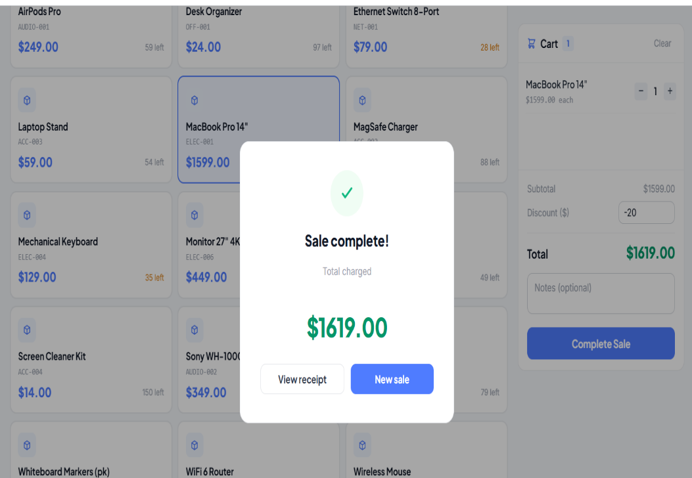
INVENTIQ - BUG_012 | TS_007 (ShoppingCart functionality | discount > total amount of cart applies | 1. Open the application (http://localhost:8000) 2.login to salesperson account | 1. Click on "point of sale" on the navbar 2.click search bar and input name or sku of a valid product 3. Click on product to add 4. fill the discount input field with a number > than total amount of cart 5. click "complete sale" button | Not Applicable | 1. user should get an errorr message | user is able to grandt discount > what is in cart | Critical | P0 | 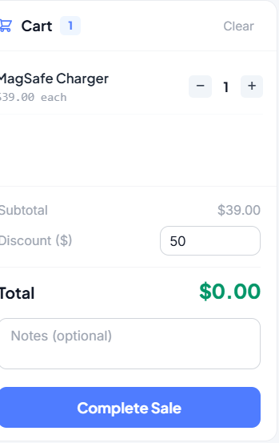
INVENTIQ - BUG_013 | TS_007 (ShoppingCart functionality | ou of stock products do not exist in point of sale page | 1. Open the application (http://localhost:8000) 2.login to salesperson account | 1. Click on "point of sale" on the navbar 2.click search bar and input name or sku of a valid product 3. Click on product to add | webcam | errorr messae showing that product is out of stock | no out of stock product exists in point of sale | Minor | P0
INVENTIQ - BUG_014 | TS_008 (transactions functionality) | defaul page of sales history pag extends to include all sales ever made | 1. Open the application (http://localhost:8000) 2.login to salesperson account | 1. Click on "point of sale" on the navbar 2.Click on sales history tab on the navbar 3. Check the dates of the sales present | Not Applicable | sales should only be todays sales | sales is all sales ever made | Major | P1
INVENTIQ - BUG_015 | TS_008 (transactions functionality) | Validate the ui of the sales history display page | 1. Open the application (http://localhost:8000) 2.login to salesperson account | 1. Click on "point of sale" on the navbar 2.Click on sales history tab on the navbar 3. check the ui, margins, padding, etc of the display section | Not Applicable | ui should be nice, with good positioning, margins, etc | ui is okay but sales section does not have a particularly good margin | Fail | P3

